Programming Lead_Planning
DIABPS Sprint 1.1 - DIABPS-39 TEST CASE SCENARIO |  | TESTER INFO
Test Case ID: | DIABPS_39#01 | Created By: | Kana Raghavan
Test Scenario: | A user with an appropriate role can create a new requirement (Planning and Execution) | Created On: | 2026-07-30
User Story: | Create a new requirement | Reviewed By: | Jordan Helman
Story Description: | As a Programming Lead or Programming Admin, user can create a requirement to keep track of items that need to be implemented for the fiscal year. | Reviewed On: | 2026-08-14
Environment: | GIBS Test | Executed By:
User Role(s): | Programming Lead for any (Services/RMO/CCRM) Org | Executed On:
Pre-Conditions: | User able to login to modules (Planning and Execution) successfully as Programming lead and assigned to specific Org (Services/RMO/CCRM)
Acceptance Criteria | The user will be able to complete the following information when creating a requirement (fields with an asterisk ( * ) indicate required fields): Title* Text field, 255 character limit Description* Text field, 4000 character limit Organization Code* Multiple-select The options available for selection will be limited to the organizations that the user is a Programming Lead or Programming Admin for at the Resource Management Office, Combatant Command, or Service level Documents File Upload field, 10 document limit Tags System-wide tags are available to select Organization tags are available based on the organization codes selected in AC 1C The system will record the user who performed the action and the datetime it was performed.

Step Number | Step Description | Input Data | Expected Results | Pass/Fail
STEP 1 | Log in as a user with Programming lead credential. User should be assigned to a specific Org (Services/RMO/CCRM). https://ams-test.appiancloud.us/suite/ | Username: | User able to login successfully | Pass
STEP 2 | Click on GIBS Planning module on top right dropdown to launch Planning module |  | User able to click on module and able to launch Planning module | Pass
STEP 3 | Click on "Requirements" Tab |  | User able to click requirements tab and current requirements grid is displayed | Pass
STEP 4 | User clicks on "Create Requirement" |  | User able to successfully launch new requirement window | Pass
STEP 5 | New requirement window is launched and below Fields are displayed : Requirement Details and Upload Documents section Title Organization Code Description Tags Select Tags to Add Manage Selected Tags |  | Mandatory and optional fields are displayed Title, Org code and Description are mandatory fields Tag section is optional Documents are optional | Pass
STEP 6 | User populates all displayed( Mandatory) fields: Title*- Text field Description*- Text field Organization Code* - Picker field | Any Text Char limit of 255 for Title Any Text Char limit of 4000 for Description Select Pre-populated Organization code | User able to input details with char limit of 255 for "Title"field User able to input details with Char limit of 4000 for "Description" User able to type and select Organization code from pre-populated list- Access to Org.code is limited to the RMO/CCRM/SMO that the user has an Lead role within | Pass
STEP 7 | Click "Upload" in document section. All document types are allowed to upload | Browse and upload document Document name should be unique and not duplicate | User able to successfully upload document with unique names Max document count is 10 User able to successfully upload all document types | Pass
STEP 8 | User navigates to "Select Tags to Add" section Search and select Tags to add to Requirement Select multiple tags Selected Tags will be displayed on the right side Populate % for each Tag (Required field) | Select Multiple Tags to add to requirement Populate % field for each tag. This value is required field | User able to add multiple tags successfully Tag options are limited to system-wide or matching the selected Organization Tags added are displayed on the right side User able to populate % for each tag. This is mandatory field | Pass
STEP 9 | Manage Selected Tags section- Selected Tags are displayed in this section | Click on X to delete the added Tags and it should remove from the requirement | User able to successfully remove Tags | Pass
STEP 10 | User able to click "Create Requirement" to complete the action |  | User successfully creates requirement and new requirement is displayed in the grid with the details | Pass
STEP 11 | Cancel functionality- Repeat above steps 3-9 and click on Cancel button |  | User able to successfully click on Cancel and requirement window will exit and entered data not saved | Pass

Test Case ID: | DIABPS_39#01
Negative Test Scenario: | User who is neither Programming Lead nor Programming Admin. For Example Manpower Admin/ Executive Admin
Step Number | Step Description | Input Data | Expected Results | Pass/Fail
STEP 1 | Login as Manpower/Executive Admin and click on Planning module from the dropdown | Username: | User able to login successfully and access Planning Module | Pass
STEP 2 | User clicks on Requirements Tab |  | User receives error message "Credentials required" or "Access Denied" OR User cannot see/access the "Create Requirement" button | Pass

Test Case ID: | DIABPS_39#01
Negative Test Scenario: | User who is Programming Lead from any RMO and accessing other Org codes
Step Number | Step Description | Input Data | Expected Results | Pass/Fail
STEP 1 | Login as Programming Lead from any RMO role Click on GIBS Planning Module from the dropdown | Username: | User able to login successfully and access Planning Module | Pass
STEP 2 | Click on GIBS Planning Module from the dropdown |  | User able to click on module and able to launch Planning module | Pass
STEP 3 | Click on "Requirements" Tab |  | User able to click requirements tab and requirements window is displayed | Pass
STEP 4 | Below Fields are displayed : Requirement Details and Upload Documents section Title Organization Code Description Tags Select Tags to Add Manage Selected Tags |  | Mandatory and optional fields are displayed Title, Org code and Description are mandatory fields Tag section is optional Documents are optional | Pass
STEP 5 | User populates all displayed( Mandatory) fields: Title*- Text field Description*- Text field Organization Code* | Any Text Char limit of 255 for Title Any Text Char limit of 4000 for Description Organization code is defaulted to specific org for RMO programming lead | User able to input details with char limit of 255 for "Title"field User able to input details with Char limit of 4000 for "Description" Organization code is defaulted to specific org for RMO programming lead | Pass

Evidences

 | Login as RMO Programming lead and planning module is launched

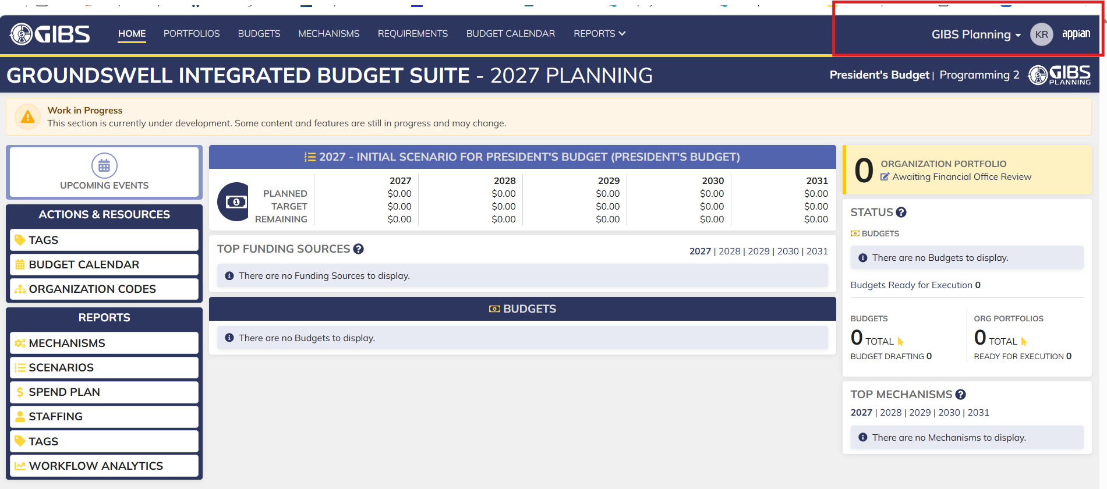

 | User able to access requirements tab and requirements grid is displayed

 | User able to click on "Create requirement" and window is opened

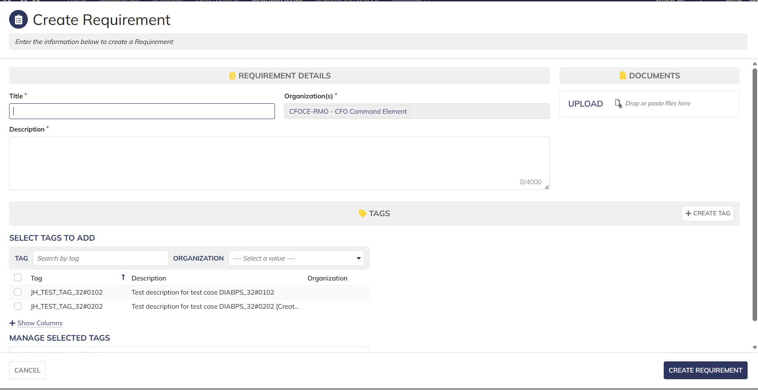

 |  |  | Organization code is defaulted for Programming lead(RMO)

 |  |  | If you are an RMO programming lead for just 1 RMO then the only thing you could ever select there would be that RMO
 |  |  | So its defaulted to that since its a required field that has exactly 1 option to select from

Cancel Scenario

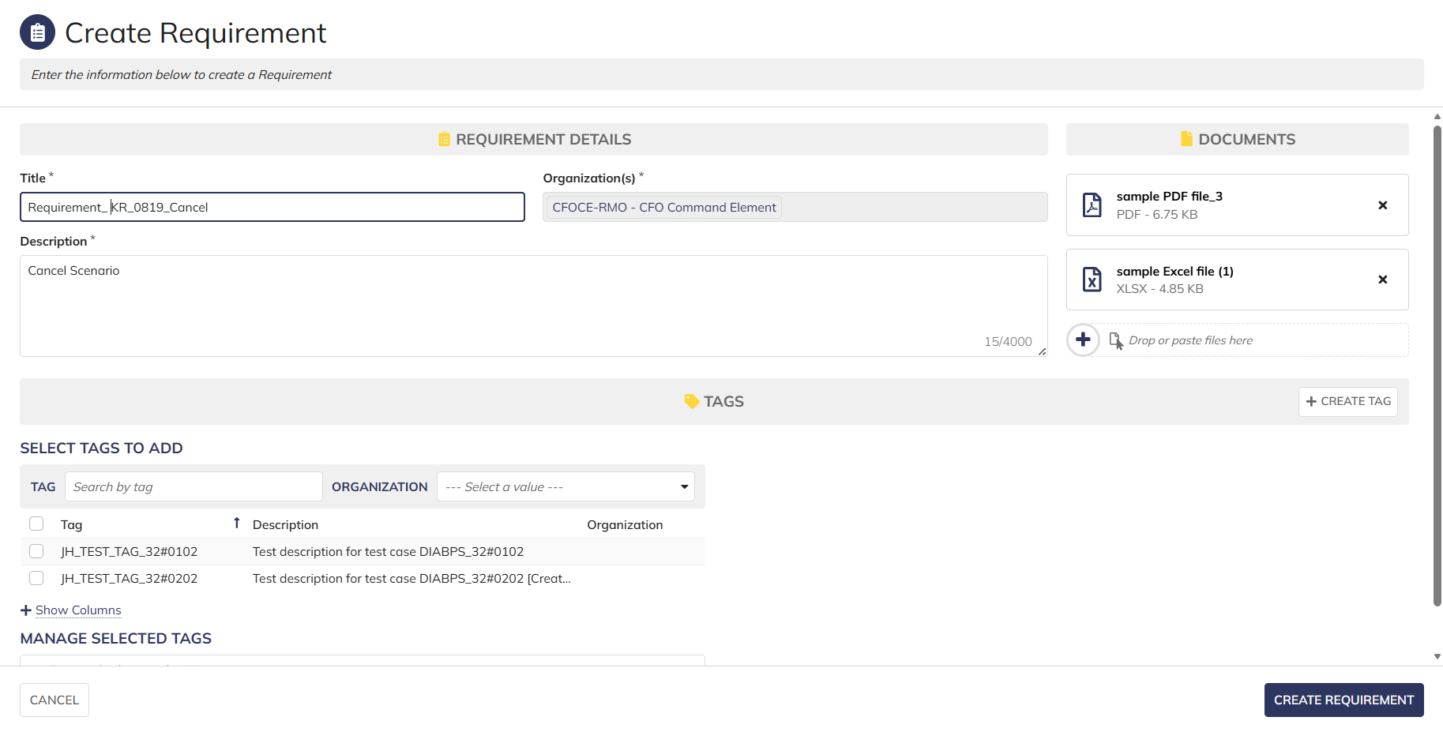

 | Requirement not created after clicking cancel

 | Login as CCRM Programming lead
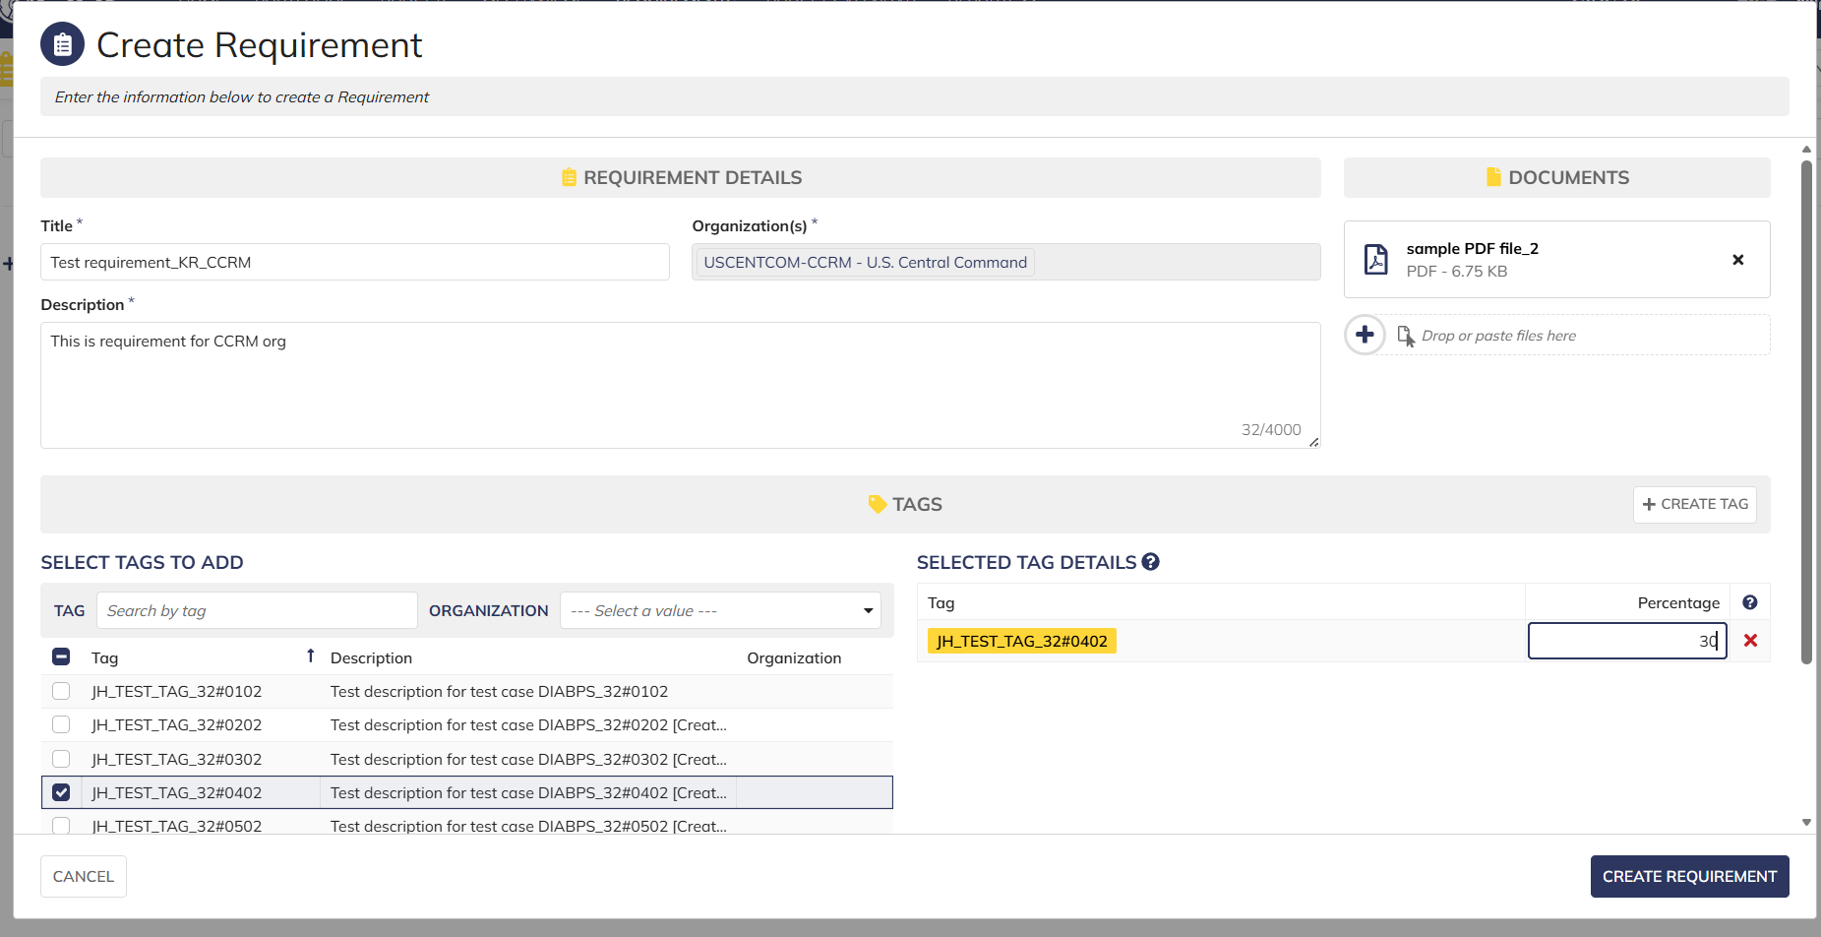

Negative Scenario | Login as Manpower Admin and no access to create requirement

Programming Admin_Planning
DIABPS Sprint 1.1 - DIABPS-39 TEST CASE SCENARIO |  | TESTER INFO
Test Case ID: | DIABPS_39#01 | Created By: | Kana Raghavan
Test Scenario: | A user with an appropriate role can create a new requirement (Planning and Execution) | Created On: | 2026-07-30
User Story: | Create a new requirement | Reviewed By: | Jordan Helman
Story Description: | As a Programming Lead or Programming Admin, user can create a requirement to keep track of items that need to be implemented for the fiscal year. | Reviewed On: | 2026-08-14
Environment: | GIBS Test | Executed By:
User Role(s): | Programming Admin for (ES/DS) Org | Executed On:
Pre-Conditions: | User able to login to modules ( Planning and Execution) successfully as Programming Admin and assigned to specific Org (ES/DS)
Acceptance Criteria | The user will be able to complete the following information when creating a requirement (fields with an asterisk ( * ) indicate required fields): Title* Text field, 255 character limit Description* Text field, 4000 character limit Organization Code* Multiple-select The options available for selection will be limited to the organizations that the user is a Programming Lead or Programming Admin for at the Resource Management Office, Combatant Command, or Service level Documents File Upload field, 10 document limit Tags System-wide tags are available to select Organization tags are available based on the organization codes selected in AC 1C The system will record the user who performed the action and the datetime it was performed.

Step Number | Step Description | Input Data | Expected Results | Pass/Fail
STEP 1 | Log in as a user with Programming Admin credential. User should be assigned to a specific Org (ES/DS). https://ams-test.appiancloud.us/suite/ | Username: |  | Pass
STEP 2 | Click on GIBS Planning module on top right dropdown to launch Planning module |  | User able to click on module and able to launch Planning module | Pass
STEP 3 | Click on "Requirements" Tab |  | User able to click requirements tab and current active requirements grid is displayed | Pass
STEP 4 | User clicks on "Create Requirement" |  | User able to successfully launch new requirement window | Pass
STEP 5 | New requirement window is launched and below Fields are displayed : Requirement Details and Upload Documents section Title Organization Code Description Tags Select Tags to Add Manage Selected Tags |  | Mandatory and optional fields are displayed Title, Org code and Description are mandatory fields Tag section is optional Documents are optional | Pass
STEP 6 | User populates all displayed( Mandatory) fields: Title*- Text field Description*- Text field Organization Code* - Picker field | Any Text Char limit of 255 for Title Any Text Char limit of 4000 for Description Select Pre-populated Organization code | User able to input details with char limit of 255 for "Title"field User able to input details with Char limit of 4000 for "Description" User able to type and select Organization code from pre-populated list- For DS Admin, the available options are limited to all RMOs and CCRMs. For ES Admin, the available options are all RMOs, CCRMs, and SMOs | Pass
STEP 7 | Click "Upload" in document section. All document types are allowed. | Browse and upload document Document name should be unique and not duplicate | User able to successfully upload document with unique names Max document count is 10. User should be able to upload all document types | Pass
STEP 8 | User navigates to "Select Tags to Add" section Search and select Tags to add to Requirement Select multiple tags Selected Tags will be displayed on the right side Populate % for each Tag (Required field) | Select Multiple Tags to add to requirement Populate % field for each tag. This value is required field | User able to add multiple tags successfully Tag options are limited to system-wide or matching the selected Organization Tags added are displayed on the right side User able to populate % for each tag. This is mandatory field | Pass
STEP 9 | Manage Selected Tags section- Selected Tags are displayed in this section | Click on X to delete the added Tags and it should remove from the requirement | User able to successfully remove Tags | Pass
STEP 10 | User able to click "Create requirement" to complete the action |  | User successfully creates requirement and new requirement is displayed in the grid with the details | Pass
STEP 11 | Cancel functionality- Repeat above steps 3-9 and click on Cancel button |  | User able to successfully click on Cancel and requirement window will exit and entered data not saved | Pass
Evidences

Login as Programming Admin_Planning module

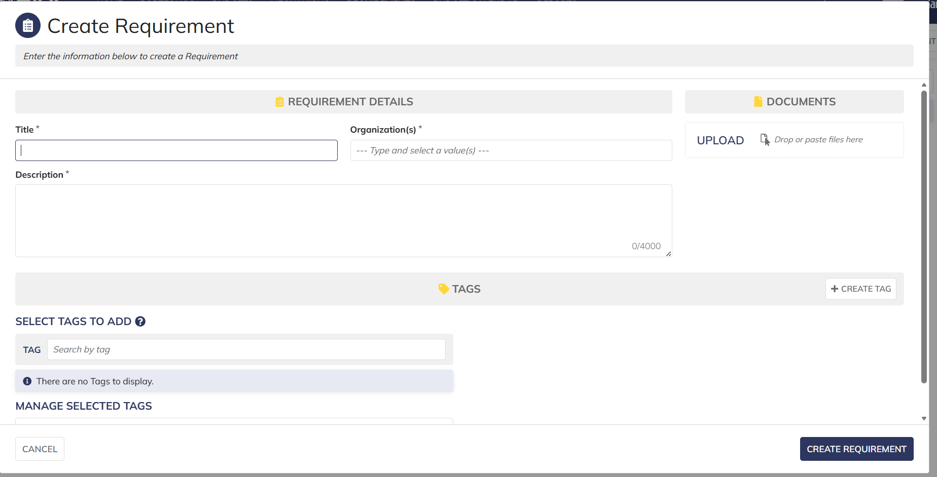

 |  |  | User able to open "Create requirement'

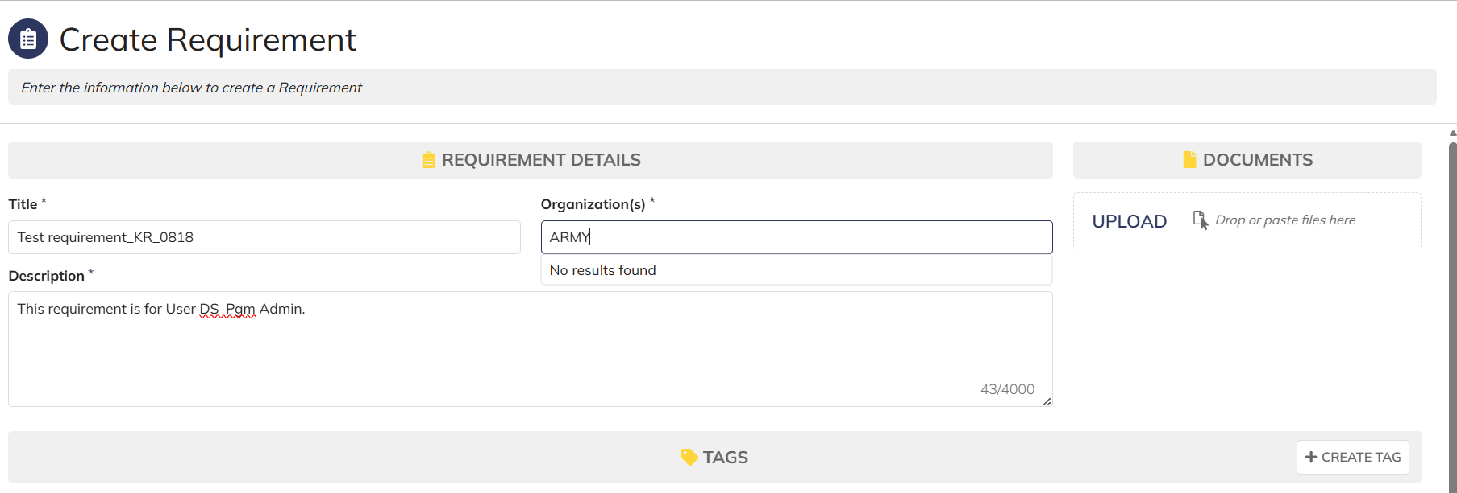

 |  |  | User is DS org group and unable to access services Org codes

 |  |  | User is DS org group and unable to access services Org codes

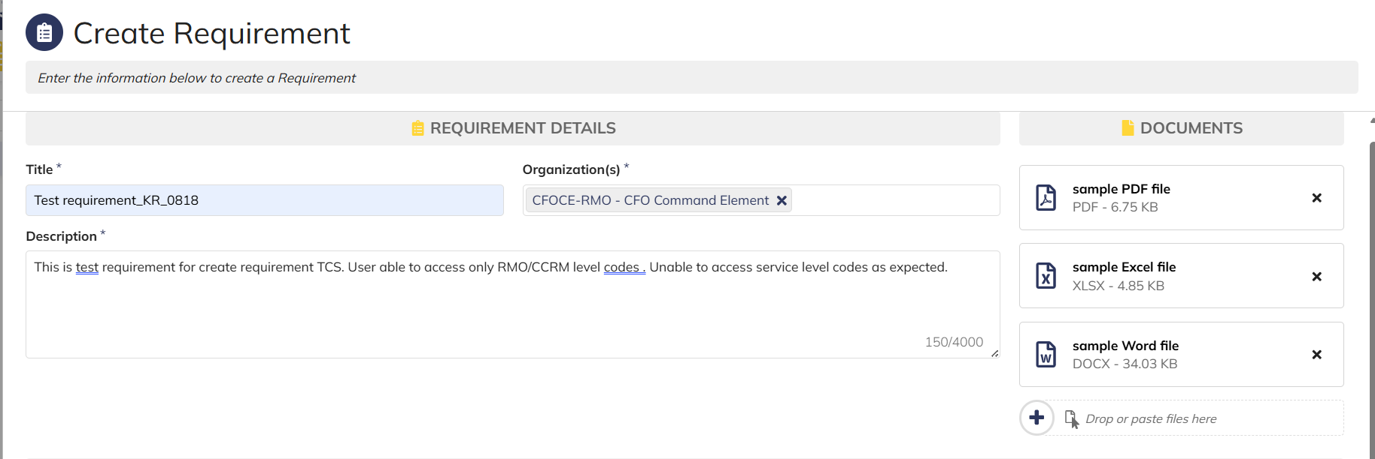

 |  |  | User able to upload multiple documents and download

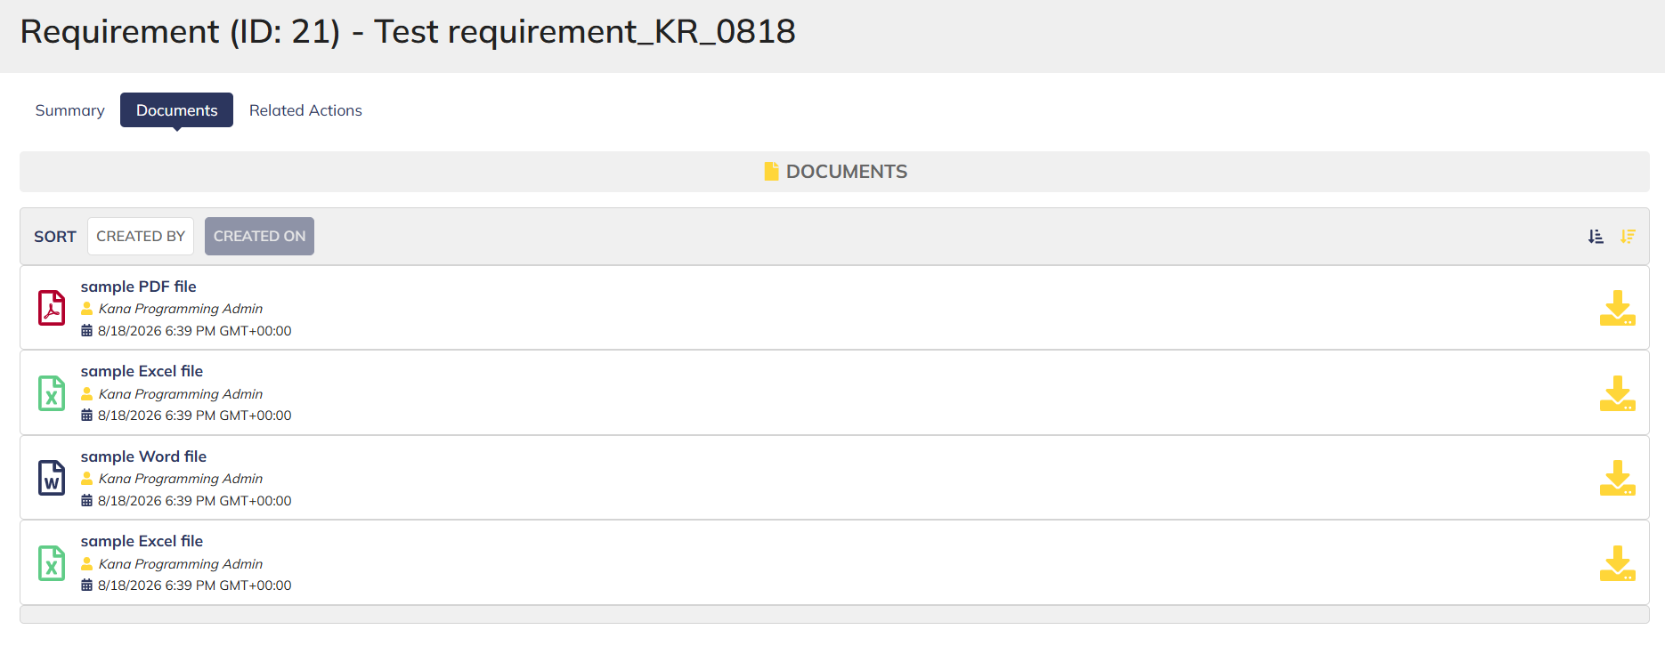

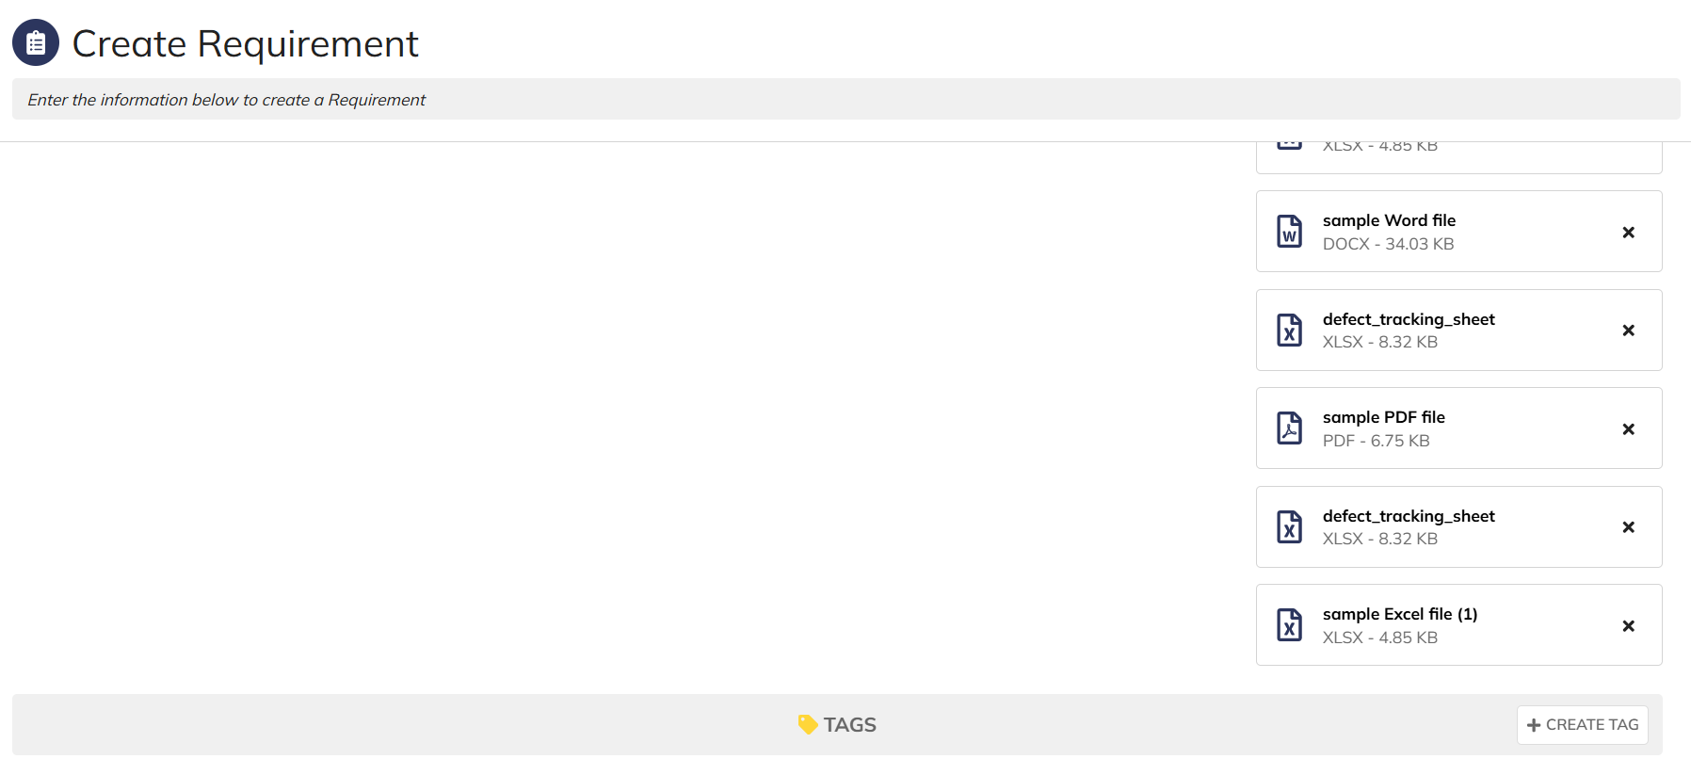

 |  |  | User allowed to upload max 10 documents

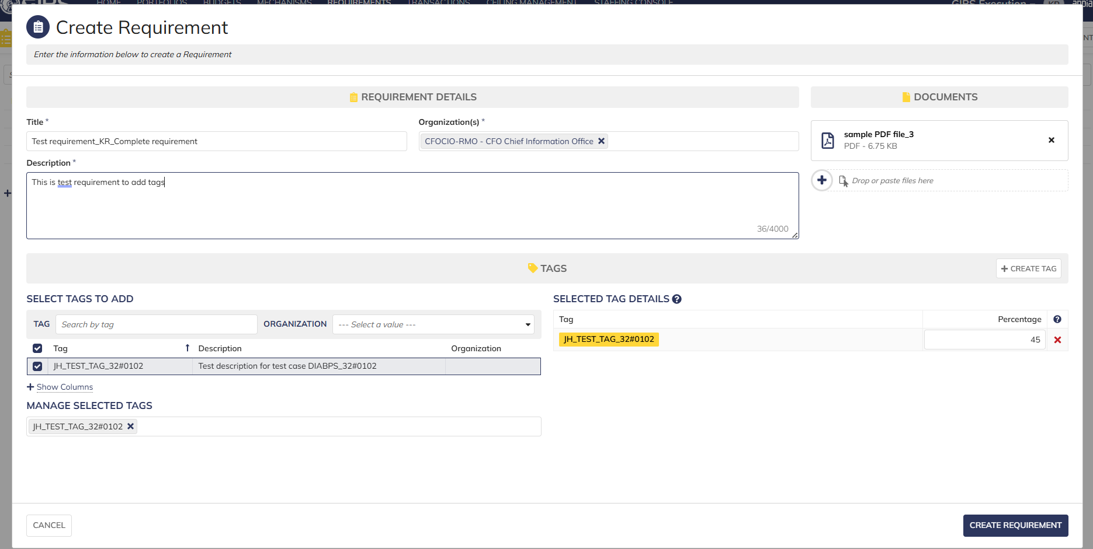

 |  |  | User able to add tag and complete requirement creation

Programming Lead_Execution
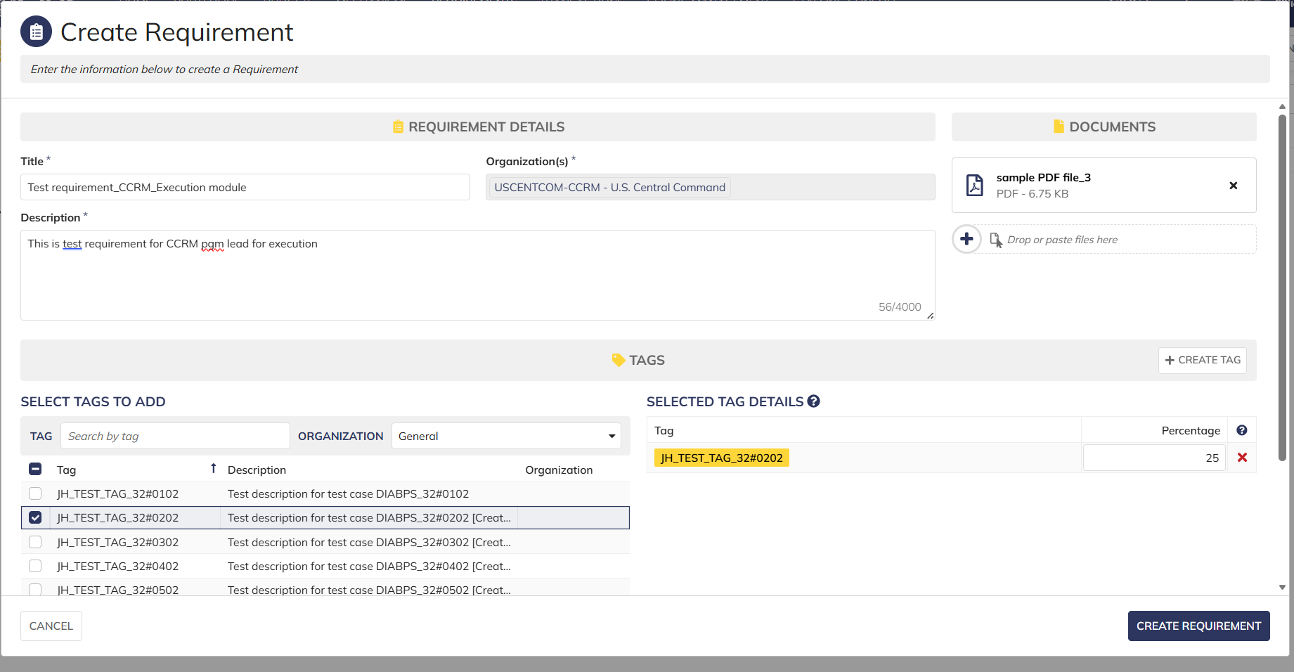
DIABPS Sprint 1.1 - DIABPS-39 TEST CASE SCENARIO |  | TESTER INFO
Test Case ID: | DIABPS_39#01 | Created By: | Kana Raghavan
Test Scenario: | A user with an appropriate role can create a new requirement (Planning and Execution) | Created On: | 2026-07-30
User Story: | Create a new requirement | Reviewed By: | Jordan Helman
Story Description: | As a Programming Lead or Programming Admin, user can create a requirement to keep track of items that need to be implemented for the fiscal year. | Reviewed On: | 2026-08-14
Environment: | GIBS Test | Executed By:
User Role(s): | Programming Lead for any (Services/RMO/CCRM) Org | Executed On:
Pre-Conditions: | User able to login to modules (Planning and Execution) successfully as Programming lead and assigned to specific Org (Services/RMO/CCRM)
Acceptance Criteria | The user will be able to complete the following information when creating a requirement (fields with an asterisk ( * ) indicate required fields): Title* Text field, 255 character limit Description* Text field, 4000 character limit Organization Code* Multiple-select The options available for selection will be limited to the organizations that the user is a Programming Lead or Programming Admin for at the Resource Management Office, Combatant Command, or Service level Documents File Upload field, 10 document limit Tags System-wide tags are available to select Organization tags are available based on the organization codes selected in AC 1C The system will record the user who performed the action and the datetime it was performed.

Step Number | Step Description | Input Data | Expected Results | Pass/Fail
STEP 1 | Log in as a user with Programming lead credential. User should be assigned to a specific Org (Services/RMO/CCRM). https://ams-test.appiancloud.us/suite/ | Username: |  | Pass
STEP 2 | Click on GIBS Execution module on top right dropdown to launch Execution module |  | User able to click on module and able to launch Planning module | Pass
STEP 3 | Click on "Requirements" Tab |  | User able to click requirements tab and requirements window is displayed | Pass
STEP 4 | Below Fields are displayed : Requirement Details and Upload Documents section Title Organization Code Description Tags Select Tags to Add Manage Selected Tags |  | Mandatory and optional fields are displayed Title, Org code and Description are mandatory fields Tag section is optional Documents are optional | Pass
STEP 5 | User populates all displayed( Mandatory) fields: Title*- Text field Description*- Text field Organization Code* - Picker field | Any Text Char limit of 255 for Title Any Text Char limit of 4000 for Description Select Pre-populated Organization code | User able to input details with char limit of 255 for "Title"field User able to input details with Char limit of 4000 for "Description" User able to type and select Organization code from pre-populated list- Access to Org.code is limited to the RMO/CCRM/SMO that the user has an Lead role within | Pass
STEP 6 | Click "Upload" in document section. User uploads all document types | Browse and upload document Document should be unique and not duplicate | User able to successfully upload document with unique names Max document count is 10 User able to upload all document type | Pass
STEP 7 | User navigates to "Select Tags to Add" section Search and select Tags to add to Requirement Select multiple tags Selected Tags will be displayed on the right side Populate % for each Tag (Required field) | Select Multiple Tags to add to requirement Populate % field for each tag. This value is required field | User able to add multiple tags successfully Tag options are limited to system-wide or matching the selected Organization Tags added are displayed on the right side User able to populate % for each tag. This is mandatory field | Pass
STEP 8 | Manage Selected Tags section- Selected Tags are displayed in this section | Click on X to delete the added Tags and it should remove from the requirement | User able to successfully remove Tags | Pass
STEP 9 | Click on Cancel button | Click of Cancel button exits the requirement window | User able to successfully click on Cancel and requirement window will exit and entered data not saved | Pass
Evidences

 | Login as Programming lead and launch execution module

 | User clicks on Create requirement and window is opened. Org code is defaulted

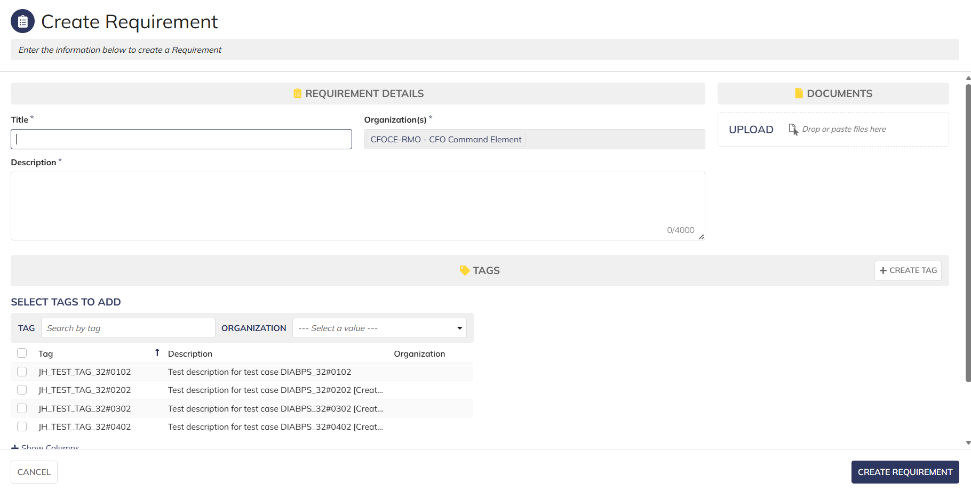

 | User able to populate all mandatory fields and clicks on create requirement

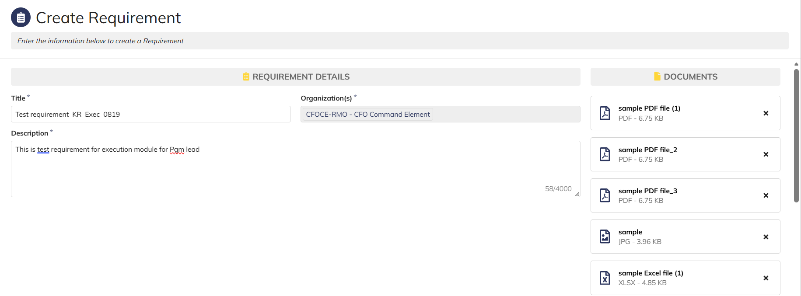

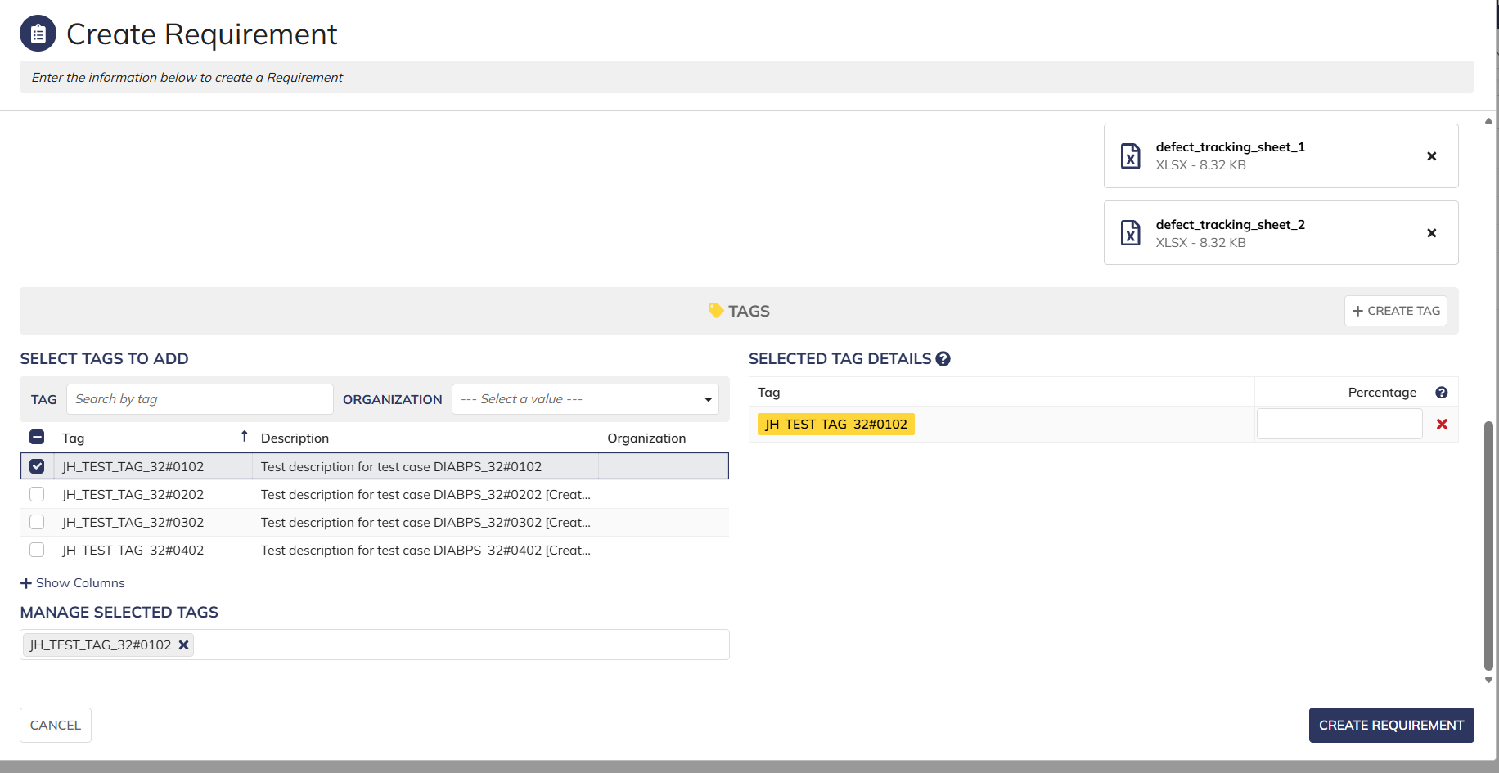

 | New requirement is displayed in the grid

 | Login as CCRM Programming lead

Programming Admin_Execution
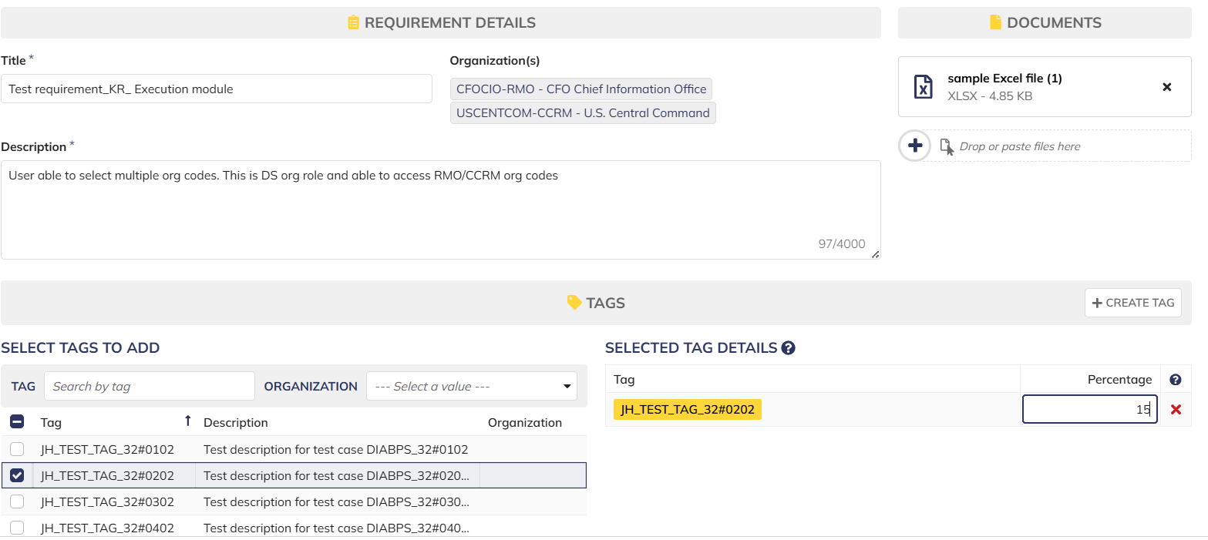
DIABPS Sprint 1.1 - DIABPS-39 TEST CASE SCENARIO |  | TESTER INFO
Test Case ID: | DIABPS_39#01 | Created By: | Kana Raghavan
Test Scenario: | A user with an appropriate role can create a new requirement (Planning and Execution) | Created On: | 2026-07-30
User Story: | Create a new requirement | Reviewed By: | Jordan Helman
Story Description: | As a Programming Lead or Programming Admin, user can create a requirement to keep track of items that need to be implemented for the fiscal year. | Reviewed On: | 2026-08-14
Environment: | GIBS Test | Executed By:
User Role(s): | Programming Admin for (ES/DS) Org | Executed On:
Pre-Conditions: | User able to login to modules ( Planning and Execution) successfully as Programming Admin and assigned to specific Org (ES/DS)
Acceptance Criteria | The user will be able to complete the following information when creating a requirement (fields with an asterisk ( * ) indicate required fields): Title* Text field, 255 character limit Description* Text field, 4000 character limit Organization Code* Multiple-select The options available for selection will be limited to the organizations that the user is a Programming Lead or Programming Admin for at the Resource Management Office, Combatant Command, or Service level Documents File Upload field, 10 document limit Tags System-wide tags are available to select Organization tags are available based on the organization codes selected in AC 1C The system will record the user who performed the action and the datetime it was performed.

Step Number | Step Description | Input Data | Expected Results | Pass/Fail
STEP 1 | Log in as a user with Programming Admin credential. User should be assigned to a specific Org (ES/DS). https://ams-test.appiancloud.us/suite/ | Username: | User able to login successfully and home page displayed | Pass
STEP 2 | Click on GIBS Execution module on top right dropdown to launch Execution module |  | User able to click on module and able to launch Planning module | Pass
STEP 3 | Click on "Requirements" Tab |  | User able to click requirements tab and current requirements grid is displayed | Pass
STEP 4 | User clicks on "Create Requirement" |  | User able to successfully launch new requirement window | Pass
STEP 5 | New requirement window is launched and below Fields are displayed : Requirement Details and Upload Documents section Title Organization Code Description Tags Select Tags to Add Manage Selected Tags |  | Mandatory and optional fields are displayed Title, Org code and Description are mandatory fields Tag section is optional Documents are optional | Pass
STEP 6 | User populates all displayed( Mandatory) fields: Title*- Text field Description*- Text field Organization Code* - Picker field | Any Text Char limit of 255 for Title Any Text Char limit of 4000 for Description Select Pre-populated Organization code | User able to input details with char limit of 255 for "Title"field User able to input details with Char limit of 4000 for "Description" User able to type and select Organization code from pre-populated list- For DS Admin, the available options are limited to all RMOs and CCRMs. For ES Admin, the available options are all RMOs, CCRMs, and SMOs | Pass
STEP 7 | Click "Upload" in document section. User uploads all document types | Browse and upload document Document name should be unique and not duplicate | User able to successfully upload document with unique names Max document count is 10 User able to successfully upload all document types | Pass
STEP 8 | User navigates to "Select Tags to Add" section Search and select Tags to add to Requirement Select multiple tags Selected Tags will be displayed on the right side Populate % for each Tag (Required field) | Select Multiple Tags to add to requirement Populate % field for each tag. This value is required field | User able to add multiple tags successfully Tag options are limited to system-wide or matching the selected Organization Tags added are displayed on the right side User able to populate % for each tag. This is mandatory field | Pass
STEP 9 | Manage Selected Tags section- Selected Tags are displayed in this section | Click on X to delete the added Tags and it should remove from the requirement | User able to successfully remove Tags | Pass
STEP 10 | User able to click "Create requirement" to complete the action |  | User successfully creates requirement and new requirement is displayed in the grid with the details | Pass
STEP 11 | Cancel functionality- Repeat above steps 3-9 and click on Cancel button |  | User able to successfully click on Cancel and requirement window will exit and entered data not saved | Pass
Evidences
 | User able to login and access execution module

 | User able to access requirements tab and "Create requirements" is displayed

 | User able to select multiple org codes and complete requirement creation
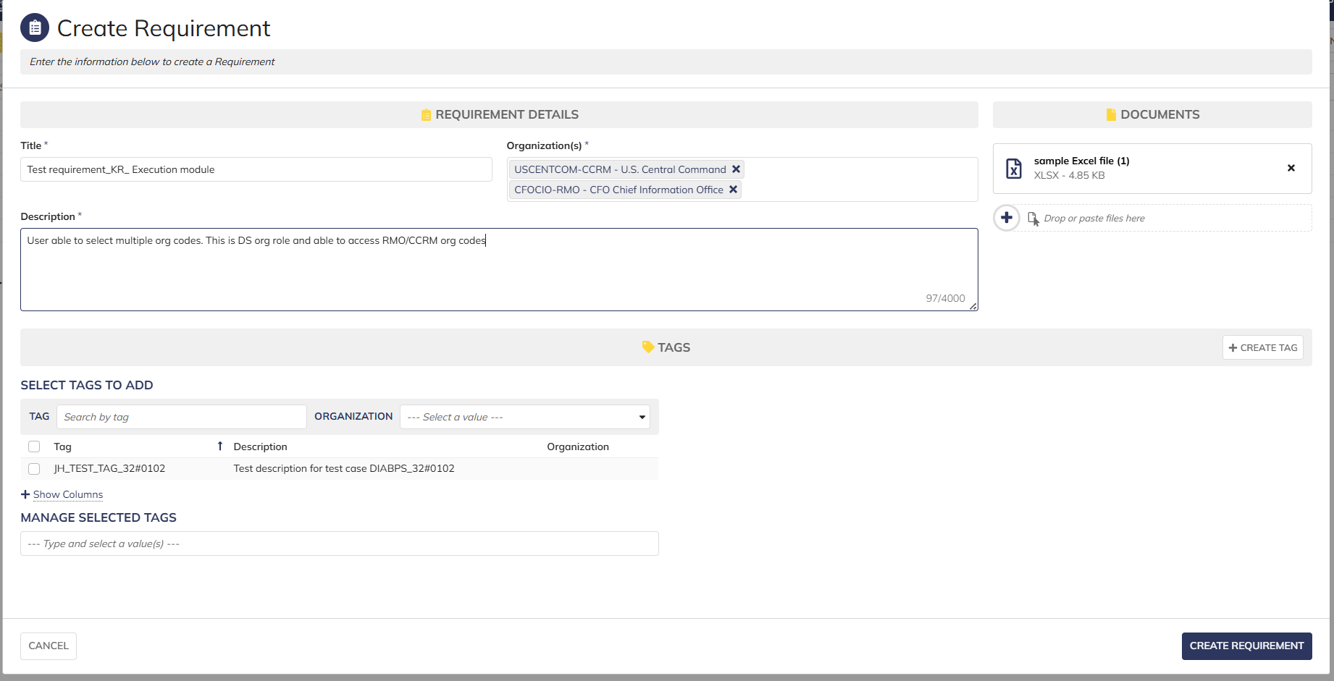

 | User able to add Tag and update percentage

